DIEGO
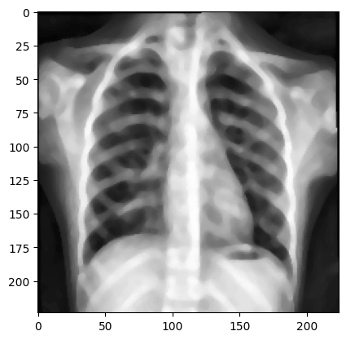
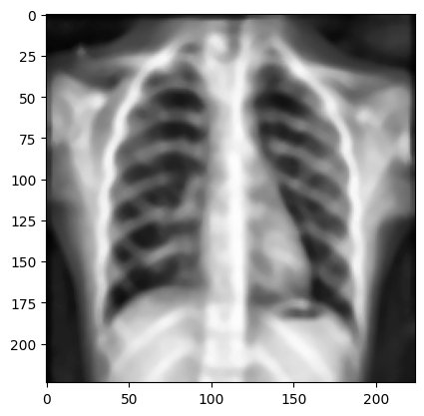
ARQUITETURA | DATA AUGMATATION | FILTROS | EPOCAS | K-FOLD | PRECISÃO | RECALL | ACUARACIA | F-1
VGG - 19 | FALSE |  | 14 |  | 76.87 | 94.61 | 78.84 | 84.82
VGG - 19 | TRUE |  | 20 |  | 73.5 | 99.7 | 77.4 | 84.65
VGG - 19 | TRUE | CALCHE, CONTRASTE | 13 |  | 75.24 | 99.7 | 79.32 | 85.77
VGG - 19 | TRUE | CALCHE, CONTRASTE, MEDIAN BLUR, REMOVE NOISE | 16 |  | 76.92 | 100 | 81.25 | 86.95
VGG - 19 | TRUE | CALCHE, CONTRASTE, MEDIAN BLUR, REMOVE NOISE, BLUR, BOX FILTER | 10 |  | 74.00 | 100 | 78.04 | 85.05
VGG - 19 | TRUE | CALCHE | 20 |  | 72.84 | 99.74 | 76.60 | 84.19
VGG - 19 | TRUE | CONTRASTE | 20 |  | 75.28 | 100 | 79.48 | 85.90
VGG - 19 | TRUE | GAUSIAN BLUR
VGG - 19 | FALSE

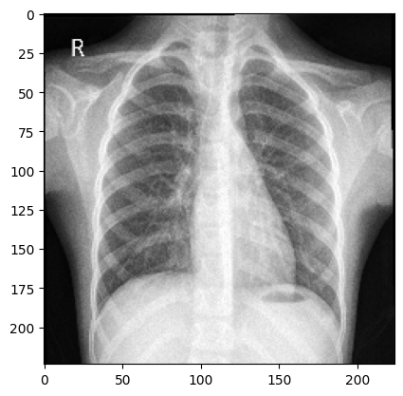
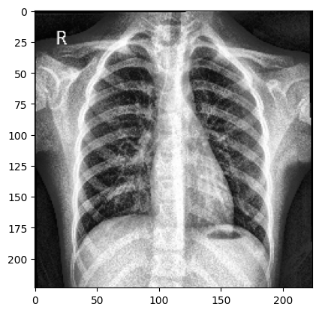
SEM FILTRO | CALCHE, HISTOGRAMA | CALCHE, CONTRASTE, MEDIAN BLUR, REMOVE NOISE |  |  | CALCHE, CONTRASTE, MEDIAN BLUR, REMOVE NOISE, BLUR, BOX FILTER

